Sheet1
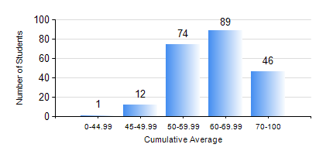
 |  |  | KWAME NKRUMAH UNIVERSITY OF SCIENCE AND TECHNOLOGY, KUMASI Department of Computer Engineering

 |  |  | BSC. COMPUTER ENG.

 |  |  | COMPREHENSIVE RECORD OF EXAMINATION RESULTS

 |  |  | RESULTS OF YEAR 4 FIRST SEMESTER, 2024/2025 ACADEMIC YEAR

 | Sn | Course Code |  | Course Name | Credit Hours | Min. Mark | Max. Mark | Avg. Mark | Std. Dev. | No. Passed | No. Trailed | No. (Df) | No. (I) | No. (I*) | No. Tagged(I,I*,Df) | Total
 | 0. |  |  |  |  |  |  | 0 | 0 | 0 | 0 | 0 | 0 | 0 | 0 | 11
 | 1. | COE 451 |  | COMPUTER GRAPHICS | 3 | 72 | 84 | 79 | 3.31 | 10 | 0 | 0 | 0 | 0 | 0 | 10
 | 2. | COE 453 |  | DISTRIBUTED COMPUTING | 3 | 40 | 97 | 80 | 11.96 | 189 | 0 | 0 | 0 | 0 | 0 | 189
 | 3. | COE 457 |  | ARTIFICIAL INTELLIGENCE | 3 | 40 | 80 | 62 | 11.79 | 22 | 0 | 0 | 0 | 0 | 0 | 22
 | 4. | COE 475 |  | COMPUTER NETWORKING | 4 | 48 | 89 | 70 | 9.54 | 211 | 0 | 0 | 0 | 0 | 0 | 211
 | 5. | COE 485 |  | COMPUTER ARCHITECTURE | 3 | 0 | 91 | 45 | 20.09 | 153 | 57 | 0 | 1 | 0 | 1 | 211
 | 6. | COE 497 |  | PROJECT 1 | 3 | 56 | 89 | 72 | 7.03 | 209 | 0 | 2 | 0 | 0 | 2 | 211
 | 7. | COE 499 |  | VACATION TRAINING | 2 | 70 | 85 | 72 | 2.01 | 211 | 0 | 0 | 0 | 0 | 0 | 211
 | 8. | ME 491 |  | ENGINEERING ECONOMICS AND MANAGEMENT | 2 | 30 | 86 | 68 | 10.84 | 210 | 1 | 0 | 0 | 0 | 0 | 211

